Sheet1
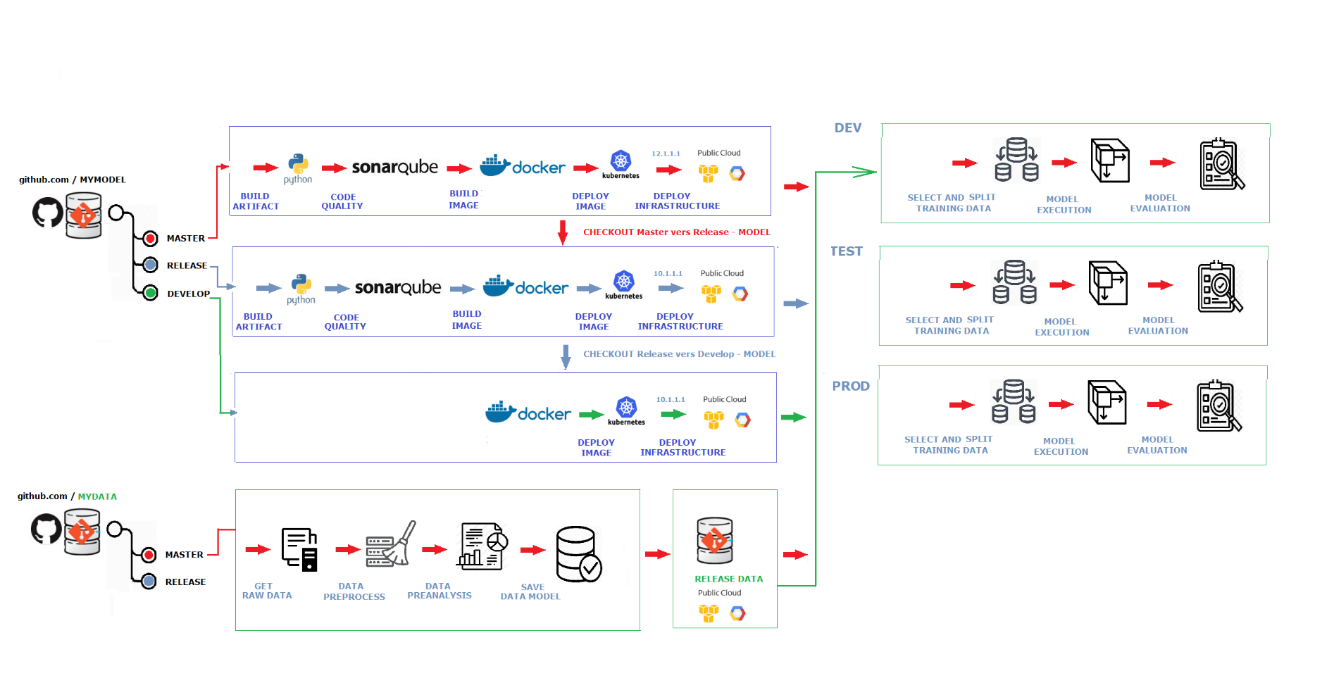

MODEL_COMMIT | Commit code to git
 | Lance evaluation sonar
 | build Artifact Model Python
 | create docker image
 | push docker image
 | deploy docker image

CHECKOUT_MASTER_RELEASE | checkout sur Release
 | Lance evaluation sonar
 | build Artifact Model Python
 | create docker image
 | push docker image
 | deploy docker image

CHECKOUT_RELEASE_PROD | checkout sur devOps
 | deploy image release to container
 | deploy docker image
 | perform report Model

DATA_COMMIT | Commit Data to gitLab
 | Save data to Cloud to be available
 | perform report dataModel
 | perform report CleanData.py

